00_loading


BASIC GRAPHIC VP | 0x2100

26_main_memory
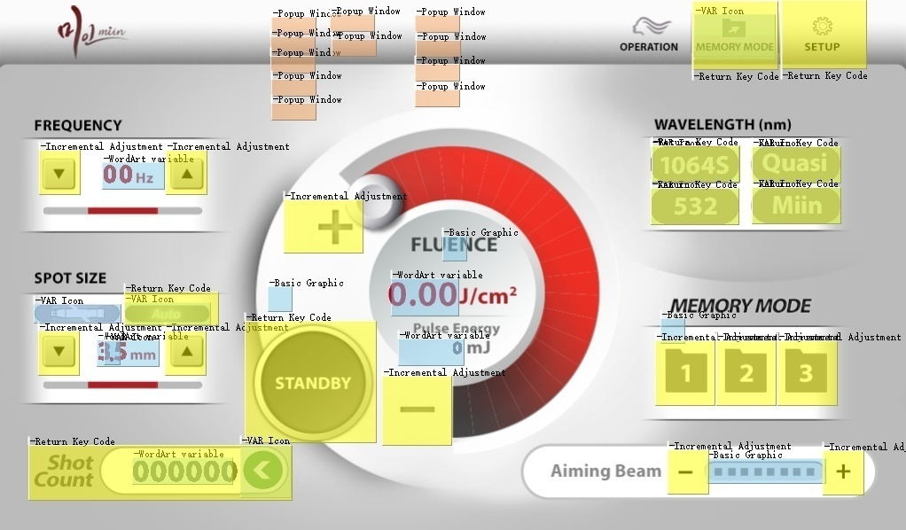

VP code | 0x4500 |  | ICON Display VP |  | VP | data | ICON No. | Memo |  |  | VP | data | ICON No. | Memo
 |  |  |  | 1064 | 0x0120 | 0~3 | 61 |  | Word Art VP | Pulse Energy | 0x0300 |  | 39
VP code | Frequency | 0x4700 |  | 532 | 0x0130 | 4~5 |  |  |  | Fluence | 0x0320 |  | 31
 | FLUENCE | 0x4800 |  | Quasi | 0x0140 | 6~7
 | SPOT SIZE | 0x4900 |  | Miin | 0x0150 | 8~9 |  |  |  |  | VP | data | Key Val | Page No.
 | Spot size disp | 0x4910 |  |  |  |  |  |  | Popup windwo VP | Cooling Error | 0x0510 | 0x0051 | 0x11 | 50
 | Aiming | 0x5000 |  | Handpiece | 0x160 | 0~4 | 65 |  |  | PROTECTION Error | 0x0520 | 0x0052 | 0x12 | 51
 |  |  |  | Auto/Manual | 0x170 | 0~1 | 67 |  |  | SIMMER Error | 0x0530 | 0x0053 | 0x13 | 52
 |  |  |  |  |  |  |  |  |  | INTERLOCK Error | 0x0540 | 0x0054 | 0x14 | 53
 |  |  |  | Shot count | 0x180 | 0~2 | 97 |  |  | Foot S/W Error | 0x0550 | 0x0055 | 0x15 | 54
 |  |  |  |  |  |  |  |  |  | Communication Error | 0x0560 | 0x0056 | 0x16 | 55
 |  | Key value |  |  |  |  |  |  |  | MOTION Error | 0x0570 | 0x0057 | 0x17 | 56
(Button) | READY | 0x0001 |  | MEMORY/EASY | 0x200 | 0~1 | 73 | 0 : Memory |  | Flash Lamp Warning | 0x0610 | 0x0061 | 0x21 | 60
(Button) | 1064 | 0x0002 |  |  |  |  |  | 1: EASY |  | Spot size Warning | 0x0620 | 0x0062 | 0x22 | 61
(Button) | 532 | 0x0003 |  |  |  |  |  |  |  | Energy Table Warning | 0x0630 | 0x0063 | 0x23 | 62
(Button) | Quasi | 0x0004 |  |  |  |  |  |  |  | LASER IN USE | 0x0640 | 0x0064 | 0x24 | 64
(Button) | Miin | 0x0005 | Basic Graphic VP | Spot dot | 0x0100 |  |  |  |  | Handpiece type check | 0x0650 | 0x0065 | 0x25 | 65
(Button) | SPOT_Au/Ma | 0x0006 |  | READY | 0x2200 |  |  |  |  | Foot S/W IN USE | 0x0660 | 0x0066 | 0x20 | 66
(Button) | OPERATION | 0x0007 |  | AIMING | 0x2300
(Button) | Memory/Easy | 0x0008 |  | FLUENCE | 0x2400 |  |  |  |  | Spot size 532DOE | 0x0690 | 0x0069 | 0x26 | 100
(Button) | SETUP | 0x0009 |  | MEMORY MODE | 0x2500 |  |  |  |  | Spot size 1064DOE | 0x0690 | 0x0069 | 0x27 | 101
(Button) | Shout cnt rst | 0x000A |  |  |  |  |  |  |  | Spot size Colimation | 0x0690 | 0x0069 | 0x28 | 102
 |  |  |  |  |  |  |  |  |  | Spot size 595 DYE | 0x0690 | 0x0069 | 0x29 | 103
 |  |  | Incremental Adjustment |  | VP |  |  |  |  | Spot size 1064MLA | 0x0690 | 0x0069 | 0x30 | 104
 |  |  |  | Memory 1 | 0x5100 |  |  |  |  | Spot size ZOOM 1 | 0x0690 | 0x0069 | 0x31 | 105
 |  |  |  | Memory 2 | 0x5200 |  |  |  |  | Spot size ZOOM 2 | 0x0690 | 0x0069 | 0x32 | 106
 |  |  |  | Memory 3 | 0x5300 |  |  |  |  | Spot size ZOOM 3 | 0x0690 | 0x0069 | 0x33 | 107
 |  |  |  |  |  |  |  |  |  | Spot size ZOOM 4 | 0x0690 | 0x0069 | 0x34 | 108
 |  |  |  |  |  |  |  |  |  | Spot size ZOOM 5 | 0x0690 | 0x0069 | 0x35 | 109
 |  |  |  |  |  |  |  |  |  | Spot size ZOOM 6 | 0x0690 | 0x0069 | 0x36 | 110
 |  |  |  |  |  |  |  |  |  | Spot size ZOOM 7 | 0x0690 | 0x0069 | 0x37 | 111
 |  |  |  |  |  |  |  |  |  | Spot size ZOOM 8 | 0x0690 | 0x0069 | 0x38 | 112
 |  |  |  |  |  |  |  |  |  | Spot size ZOOM 9 | 0x0690 | 0x0069 | 0x39 | 113
 |  |  |  |  |  |  |  |  |  | Spot size ZOOM 10 | 0x0690 | 0x0069 | 0x40 | 114
 |  |  |  |  |  |  |  |  |  | Spot size ZOOM 3.5 | 0x0690 | 0x0069 | 0x41 | 115
 |  |  |  |  |  |  |  |  |  | Spot size ZOOM 6.5 | 0x0690 | 0x0069 | 0x42 | 116

28_Easy_unclick
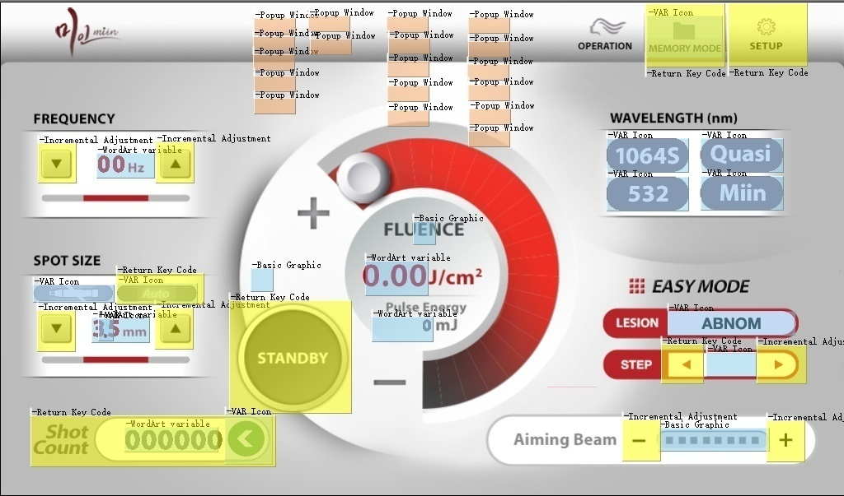

VP code | 0x4500 |  | ICON Display VP |  | VP | data | ICON No. | Memo |  |  | VP | data | ICON No. | Memo
 |  |  |  | 1064 | 0x0120 | 0~3 | 61 |  | Word Art VP | Pulse Energy | 0x0300 |  | 39
VP code | Frequency | 0x4700 |  | 532 | 0x0130 | 4~5 |  |  |  | Fluence | 0x0320 |  | 31
 | FLUENCE | 0x4800 |  | Quasi | 0x0140 | 6~7
 | SPOT SIZE | 0x4900 |  | Miin | 0x0150 | 8~9 |  |  |  |  | VP | data | Key Val | Page No.
 | Spot size disp | 0x4910 |  |  |  |  |  |  | Popup window VP | Cooling Error | 0x0510 | 0x0051 | 0x11 | 50
 | Aiming | 0x5000 |  | Handpiece | 0x160 | 0~4 | 65 |  |  | PROTECTION Error | 0x0520 | 0x0052 | 0x12 | 51
 | Step next(Incremental) | 0x4600 |  | Auto/Manual | 0x170 | 0~1 | 67 |  |  | SIMMER Error | 0x0530 | 0x0053 | 0x13 | 52
 |  |  |  |  |  |  |  |  |  | INTERLOCK Error | 0x0540 | 0x0054 | 0x14 | 53
 |  |  |  | Shot count | 0x180 | 0~2 | 97 |  |  | Foot S/W Error | 0x0550 | 0x0055 | 0x15 | 54
 |  |  |  |  |  |  |  |  |  | Communication Error | 0x0560 | 0x0056 | 0x16 | 55
 |  | Key value |  |  |  |  |  |  |  | MOTION Error | 0x0570 | 0x0057 | 0x17 | 56
(Button) | READY | 0x0001 |  | MEMORY/EASY | 0x200 | 0~1 | 73 | 0 : Memory |  | Flash Lamp Warning | 0x0610 | 0x0061 | 0x21 | 60
(Button) | 1064 | 0x0002 |  |  |  |  |  | 1: EASY |  | Spot size Warning | 0x0620 | 0x0062 | 0x22 | 61
(Button) | 532 | 0x0003 |  |  |  |  |  |  |  | Energy Table Warning | 0x0630 | 0x0063 | 0x23 | 62
(Button) | Quasi | 0x0004 | ICON Display VP | LESION | 0x250 | 0~17 | 69 | 0: abnom |  | LASER IN USE | 0x0640 | 0x0064 | 0x24 | 64
(Button) | Miin | 0x0005 |  |  |  |  |  | 1: tattoo_black |  | Handpiece type check | 0x0650 | 0x0065 | 0x25 | 65
(Button) | SPOT_Au/Ma | 0x0006 |  |  |  |  |  | 2: tattoo_red |  | EASY MODE LESION | 0x0660 |  | 0x50 | 80
(Button) | OPERATION | 0x0007 |  |  |  |  |  | 3: melasma |  | - LESION Soft Peel |  | 0x01
(Button) | Memory/Easy | 0x0008 |  |  |  |  |  | 4: nevus |  | - LESION Tattoo |  | 0x02
(Button) | SETUP | 0x0009 |  |  |  |  |  | 5: café-aulait |  | - LESION Melasma |  | 0x03
(Button) | Shout cnt rst | 0x000A |  |  |  |  |  | 6: freckle |  | - LESION ABNOM |  | 0x04
(Button) | Select lesion | 0x0010 |  |  |  |  |  | 7: pih |  | - LESION Nevus of Ota |  | 0x05
(Button) | Step prev | 0x0011 |  |  |  |  |  | 8: Seborrheic |  | - LESION PIH |  | 0x06
 |  |  |  |  |  |  |  | 9: soft peeling |  | - LESION Freckle |  | 0x07
 |  |  |  |  |  |  |  | 10: Ochronosis |  | - LESION Age Spot |  | 0x08
 |  |  |  |  |  |  |  | 11: Nail Fungus |  | - LESION Café-aulait-spot |  | 0x09
 |  |  |  |  |  |  |  | 12: Rejuvenation |  | - LESION MIIN Toning |  | 0x0A
 |  |  |  |  |  |  |  | 13: Pore |  | - LESION 595 Toning |  | 0x0B
 |  |  |  |  |  |  |  | 14: Custom 1 |  | - LESION Scar |  | 0x0C
 |  |  |  |  |  |  |  | 15: Custom 2
 |  |  |  |  |  |  |  | 16: nano g |  | EASY MODE SKIN TYP | 0x0680 |  | 0x51 | 86
 |  |  |  |  |  |  |  | 17: Kaiser |  | - Skin type 1 |  | 0x00
 |  |  |  |  |  |  |  |  |  | - Skin type 2 |  | 0x01
 |  |  | ICON Display VP | STEP | 0x260 | 1~14 | 71 | 0: nc |  | - Skin type 3 |  | 0x02
 |  |  |  |  |  |  |  | 1: 1 |  | - Skin type 4 |  | 0x03
 |  |  |  |  |  |  |  | 2: 2 |  | - Skin type 5 |  | 0x04
 |  |  |  |  |  |  |  | 3: 3
 |  |  |  |  |  |  |  | 4: 4 |  | Spot size 532DOE | 0x0690 | 0x0069 | 0x26 | 100
 |  |  |  |  |  |  |  | 5: 5 |  | Spot size 1064DOE | 0x0690 | 0x0069 | 0x27 | 101
 |  |  |  |  |  |  |  | 11: 1-1 |  | Spot size Colimation | 0x0690 | 0x0069 | 0x28 | 102
 |  |  |  |  |  |  |  | 12: 1-2 |  | Spot size 595 DYE | 0x0690 | 0x0069 | 0x29 | 103
 |  |  |  |  |  |  |  | 13: 1-3 |  | Spot size 1064MLA | 0x0690 | 0x0069 | 0x30 | 104
 |  |  |  |  |  |  |  | 14: 1-4 |  | Spot size ZOOM 1 | 0x0690 | 0x0069 | 0x31 | 105
 |  |  |  |  |  |  |  |  |  | Spot size ZOOM 2 | 0x0690 | 0x0069 | 0x32 | 106
 |  |  |  |  |  |  |  |  |  | Spot size ZOOM 3 | 0x0690 | 0x0069 | 0x33 | 107
 |  |  |  |  |  |  |  |  |  | Spot size ZOOM 4 | 0x0690 | 0x0069 | 0x34 | 108
 |  |  | Basic Graphic VP | Spot dot | 0x0100 |  |  |  |  | Spot size ZOOM 5 | 0x0690 | 0x0069 | 0x35 | 109
 |  |  |  | READY | 0x2200 |  |  |  |  | Spot size ZOOM 6 | 0x0690 | 0x0069 | 0x36 | 110
 |  |  |  | AIMING | 0x2300 |  |  |  |  | Spot size ZOOM 7 | 0x0690 | 0x0069 | 0x37 | 111
 |  |  |  | FLUENCE | 0x2400 |  |  |  |  | Spot size ZOOM 8 | 0x0690 | 0x0069 | 0x38 | 112
 |  |  |  | MEMORY MODE | 0x2500 |  |  |  |  | Spot size ZOOM 9 | 0x0690 | 0x0069 | 0x39 | 113
 |  |  |  |  |  |  |  |  |  | Spot size ZOOM 10 | 0x0690 | 0x0069 | 0x40 | 114

82_ltra_EASY_GUI_energy_table
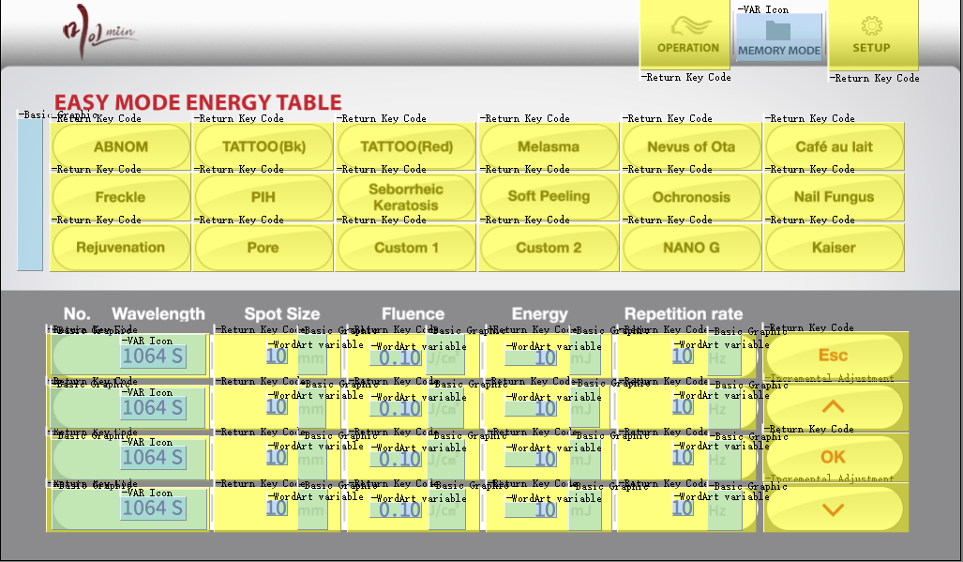

 |  |  |  |  |  | Basic Graphic |  | VP |  |  | Word Art | VP | Icon No.
 |  |  |  |  |  | LESION Button |  | 0x6600 |  |  | 1st line No. | 0x4000 | 91
 |  |  |  |  |  | 1st line |  | 0x6700 |  |  | 1st line jcm | 0x4002
 |  |  |  |  |  | 2nd line |  | 0x6710 |  |  | 1st line mj | 0x4004
 |  |  |  |  |  | 3rd line |  | 0x6720 |  |  | 1st line hz | 0x4006
 |  |  |  |  |  | 4th line |  | 0x6730 |  |  | 2nd line No. | 0x4010
 |  |  |  |  |  |  |  |  |  |  | 2nd line jcm | 0x4012
 |  |  |  |  |  |  |  |  |  |  | 2nd line mj | 0x4014
 |  |  |  |  |  |  |  |  |  |  | 2nd line hz | 0x4016
 |  |  |  |  |  |  |  |  |  |  | 3rd line No. | 0x4020
 |  |  |  |  |  |  |  |  |  |  | 3rd line jcm | 0x4022
 |  |  |  |  |  |  |  |  |  |  | 3rd line mj | 0x4024
 |  |  |  |  |  |  |  |  |  |  | 3rd line hz | 0x4026
 |  |  |  |  |  |  |  |  |  |  | 4th line No. | 0x4030
 |  |  |  |  |  |  |  |  |  |  | 4th line jcm | 0x4032
 |  |  |  |  |  |  |  |  |  |  | 4th line mj | 0x4034
VP code | 0x7200 |  |  |  |  |  |  |  |  |  | 4th line hz | 0x4036

 |  | Key value |  | VP code | 0x7300
(Button) | abnom | 0x00 | Incremental | Arrow up
(Button) | tattoo_black | 0x01 |  | Arrow dn
(Button) | tattoo_red | 0x02
(Button) | melasma | 0x03
(Button) | nevus | 0x04
(Button) | café-aulait | 0x05 |  |  |  |  |  |  | VP | data | ICON No. | Memo
(Button) | freckle | 0x06 |  |  |  | ICON Display VP |  | Wavelength_line 1 | 0x270 | 1,3,5,7,9 | 89 | 1: 1064S
(Button) | pih | 0x07 |  |  |  |  |  | Wavelength_line 2 | 0x275 |  |  | 3: 1064D
(Button) | 8: Seborrheic | 0x08 |  |  |  |  |  | Wavelength_line 3 | 0x280 |  |  | 5: 532
(Button) | soft peeling | 0x09 |  |  |  |  |  | Wavelength_line 4 | 0x285 |  |  | 7: QUASI
(Button) | Ochronosis | 0x0A |  |  |  |  |  |  |  |  |  | 9: Miin
(Button) | Nail Fungus | 0x0B |  |  |  |  |  | Spot Size 1 | 0x4008 | 0 ~ 16 | 27 | 11 : Colimation 12 : DOE 13 : MLA 14 : 3.5 15 : 6.5 16 : DYE
(Button) | Rejuvenation | 0x0C |  |  |  |  |  | Spot Size 2 | 0x4108
(Button) | Pore | 0x0D |  |  |  |  |  | Spot Size 3 | 0x4208
(Button) | Custom 1 | 0x0E |  |  |  |  |  | Spot Size 4 | 0x4308
(Button) | Custom 2 | 0x0F
(Button) | nano g | 0x10 |  |  |  |  |  | 1st line mm | 0x6702
(Button) | Kaiser | 0x11 |  |  |  |  |  | 1st line jcm | 0x6704
 |  |  |  |  |  |  |  | 1st line mj | 0x6706
(Button) | 1st_wave | 0x20 |  |  |  |  |  | 1st line hz | 0x6708
(Button) | 1st_spot | 0x21 |  |  |  |  |  | 2nd line mm | 0x6712
(Button) | 1st_fluence | 0x22 |  |  |  |  |  | 2nd line jcm | 0x6714
(Button) | 1st_energy | 0x23 |  |  |  |  |  | 2nd line mj | 0x6716
(Button) | 1st_freq | 0x24 |  |  |  |  |  | 2nd line hz | 0x6718
(Button) | 2nd_wave | 0x25 |  |  |  |  |  | 3rd line mm | 0x6722
(Button) | 2nd_spot | 0x26 |  |  |  |  |  | 3rd line jcm | 0x6724
(Button) | 2nd_fluence | 0x27 |  |  |  |  |  | 3rd line mj | 0x6726
(Button) | 2nd_energy | 0x28 |  |  |  |  |  | 3rd line hz | 0x6728
(Button) | 2nd_freq | 0x29 |  |  |  |  |  | 4th line mm | 0x6732
(Button) | 3nd_wave | 0x30 |  |  |  |  |  | 4th line jcm | 0x6734
(Button) | 3nd_spot | 0x31 |  |  |  |  |  | 4th line mj | 0x6736
(Button) | 3nd_fluence | 0x32 |  |  |  |  |  | 4th line hz | 0x6738
(Button) | 3nd_energy | 0x33
(Button) | 3nd_freq | 0x34
(Button) | 4th_wave | 0x35
(Button) | 4th_spot | 0x36
(Button) | 4th_fluence | 0x37
(Button) | 4th_energy | 0x38
(Button) | 4th_freq | 0x39

(Button) | ESC | 0x40
(Button) | ENTER | 0x41

 |  |  |  |  |  |  |  |  | VP | data | ICON No. | Memo
 |  |  |  |  |  | ICON Display VP |  | Handpiece | 0x270 | 1~6 | 27 | 1: MLA 10mm
 |  |  |  |  |  |  |  |  |  |  |  | 2: Colimation 8mm
 |  |  |  |  |  |  |  |  |  |  |  | 3: DYE 4mm
 |  |  |  |  |  |  |  |  |  |  |  | 4: ZOOM 3mm
 |  |  |  |  |  |  |  |  |  |  |  | 5: ZOOM 5mm
 |  |  |  |  |  |  |  |  |  |  |  | 6: ZOOM 7mm

 |  |  |  |  |  | Word Art | VP | Icon No.
 |  |  |  |  |  | Energy | 0x280 | 39
 |  |  |  |  |  | Fluence | 0x290 | 39

 |  |  |  |  |  |  |  |  | VP | data | Key Val | Page No.
 |  |  |  |  |  | Popup windwo VP |  | EASY Energy table HP | 0x0670 |  | 0x51 | 84
 |  |  |  |  |  |  |  | - MLA 10mm |  | 0x01
 |  |  |  |  |  |  |  | - Collimation 8mm |  | 0x02
 |  |  |  |  |  |  |  | - DYE 4mm |  | 0x03
 |  |  |  |  |  |  |  | - ZOOM 3mm |  | 0x04
 |  |  |  |  |  |  |  | - ZOOM 5mm |  | 0x05
 |  |  |  |  |  |  |  | - ZOOM 7mm |  | 0x06

30_Password
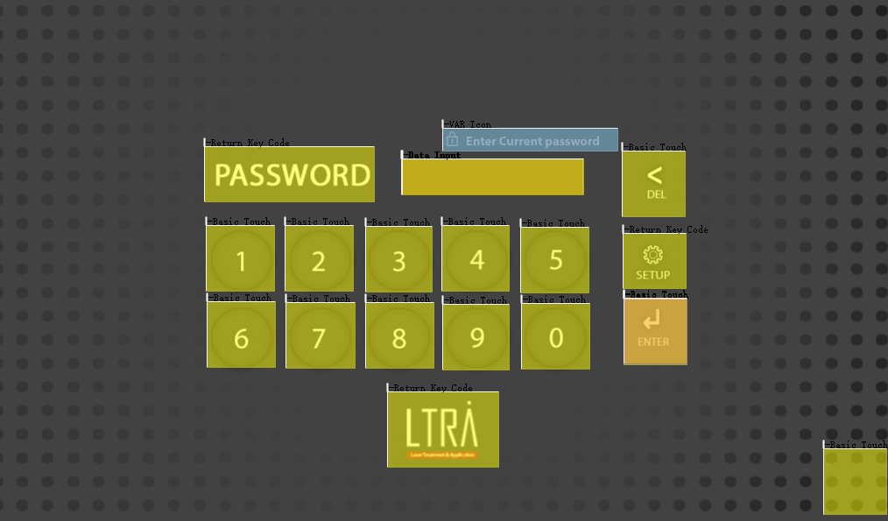

Password Response Key VP |  | (엔터)
VP code | 0x6000 |  | Key Cont | 0xAA

 |  |  |  |  | ICON Display VP | VP | data | ICON No. | Memo
 |  |  |  |  | Enter current password | 0x0210 | 0 | 79
VP code | 0x6100 |  |  |  | Enter new password |  | 1
 |  | Key value |  |  | Enter new password again |  | 2
(Button) | SETUP | 0x0001 |  |  | Invalid password |  | 3
(Button) | LTRA | 0x0002 |  |  | Password changed |  | 4
(Button) | PASSWORD (reset password) | 0x0003

31_Password(ENG)
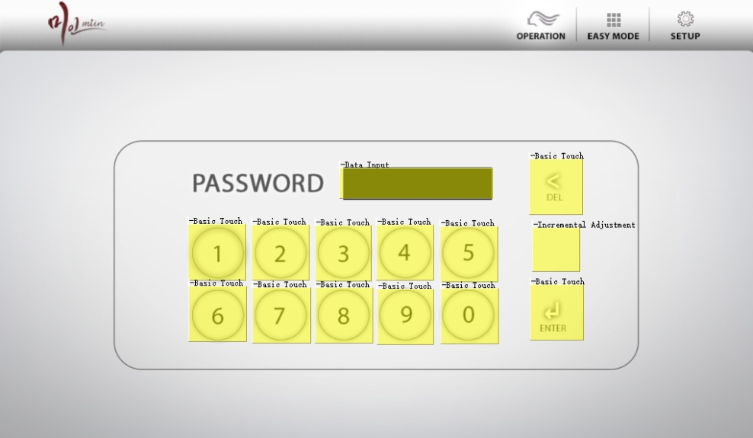

Password Response Key VP
VP code | 0x6200 |  | Key Cont | 0xBB
 |  |  |  |  | ICON Display VP | VP | data | ICON No. | Memo
 |  |  |  |  | Enter current password | 0x0220 | 5 | 79
 |  |  |  |  | Enter new password |  | 6
 | VP code | Data |  |  | Enter new password again |  | 7
SETUP | 0x6300 | 0~30 | 30까지 증가 시키면 비밀번호 수정 으로 들어감 |  | Invalid password |  | 8
 |  |  |  |  | Password changed |  | 9

VP code | 0x6100
 |  | Key value
(Button) | PASSWORD (reset password) | 0x0004

35_LTRA_GUI_engineer
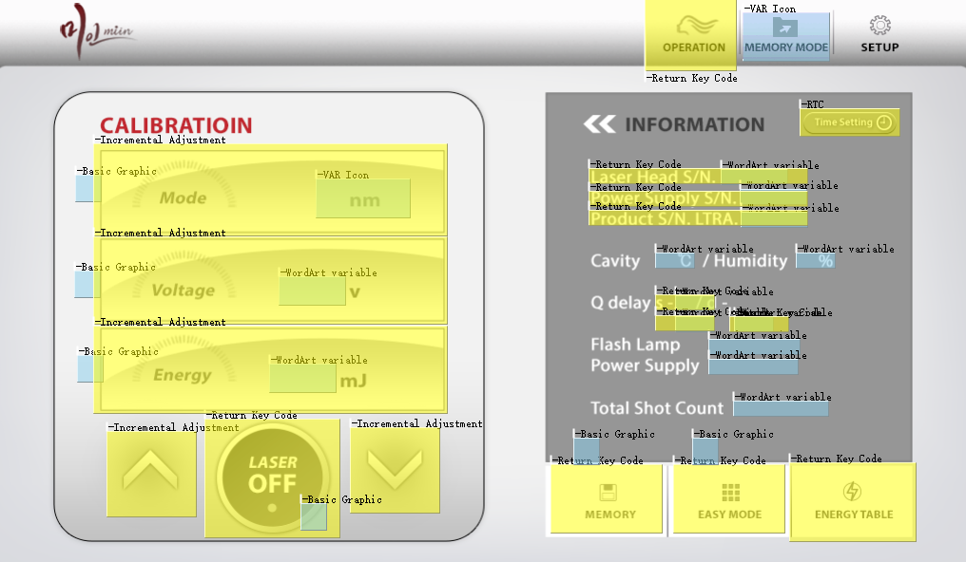

VP code | 0x7000
 |  | Key value |  | WordArt | VP | ICON No | ICON Display VP |  | VP | data | ICON No. | Memo
(Button) | Operation | 0x0001 |  | Mode | 0x3100 | 61 |  | Volume | 190 | 0~9 | 93
(Button) | MODE | 0x0002 | Memory or Easy | Voltage | 0x3200 | 77
(Button) | OP MODE | 0x0003 |  | Energy | 0x3300 | 77
(Button) | Laser On | 0x0004
(Button) | MEMORY | 0x0005 |  | Information | VP | ICON No
(Button) | EASY MODE | 0x0006 |  | Laser Head | 0x3400 | 75
(Button) | Energy Table | 0x0007 |  | Power supply | 0x3410 | 75
(Button) | Time setting | 0x0008 |  | Product S/N | 0x3420 | 75
(Button) | Setup | 0x0009 | Next page에서 사용 | Cavity | 0x3430 | 75
(Button) | INFO_Power S/N | 0x0010 |  | Humidity | 0x3440 | 75
(Button) | INFO_Product S/N | 0x0011 |  | Qs delay | 0x3450 | 75
(Button) | INFO_Qs | 0x0012 |  | Q1 delay | 0x3460 | 75
(Button) | INFO_Q1 | 0x0013 |  | Q2 delay | 0x3470 | 75
(Button) | INFO_Q2 | 0x0014 |  | Flash shot cnt | 0x3480 | 75
(Button) | INFO_Laser HEAD | 0x0015 |  | Power shot cnt | 0x3490 | 75
(Button) | Miin Q1high | 0x000A |  | Total shot cnt | 0x3500 | 75
(Button) | Miin Q2high | 0x000B |  | Temperature | 0x3510 | 75
(Button) | Miin Q1low | 0x000C |  | Miin Q1high | 0x34A0 | 75
(Button) | Miin Q2low | 0x000D |  | Miin Q2high | 0x34B0 | 75
(Button) | Volume Up | 0x0022 |  | Miin Q1low | 0x34C0 | 75
(Button) | Volume Down | 0x0023 |  | Miin Q2low | 0x34D0 | 75

CALIBRATION VP code
Increment | 0x1300
Decrement | 0x1400
MODE | 0x1000 | 0~ 30까지 올라가면 활성화
VOLTAGE | 0x1100 | 0~ 30까지 올라가면 활성화
ENERGY | 0x1200 | 0~ 30까지 올라가면 활성화

Basic graphic VP
CAL MODE | 0x1800
CAL VOLT | 0x1900
CAL ENERGY | 0x2000
LASER ON/OFF | 0x2600
MEMORY | 0x2700
EASY MODE | 0x2800

40_NEXT_unclick
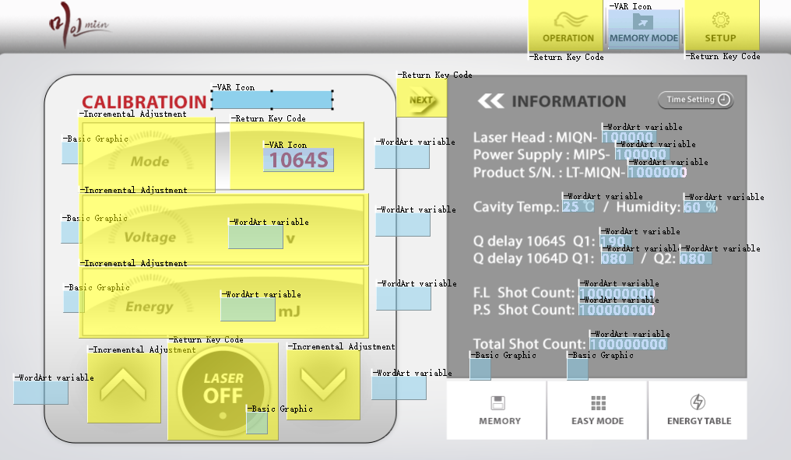

Return VP code | 0x7000
 |  | Key value | WordArt | VP | ICON No
(Button) | Laser On | 0x0004 | Mode | 0x3100 | 61
(Button) | Operation | 0x0008 | Voltage | 0x3200 | 77
(Button) | NEXT | 0x0020 | Energy | 0x3300 | 77
(Button) | BACK | 0x0021
(Button) | Setup | 0x0009 | Information | VP | ICON No
 |  |  | Laser Head | 0x3400 | 75
INCREMENT VP code |  |  | Power supply | 0x3410 | 75
Increment | 0x1300 |  | Product S/N | 0x3420 | 75
Decrement | 0x1400 |  | Cavity temp | 0x3430 | 75
MODE | 0x1000 | 0~ 20까지 올라가면 활성화 | Humidity | 0x3440 | 75
VOLTAGE | 0x1100 |  | Qs delay | 0x3450 | 75
ENERGY | 0x1200 |  | Q1 delay | 0x3460 | 75
RST FL shot count | 0x0700 | 0~50까지 올라가면 활성화 | Q2 delay | 0x3470 | 75
RST PS shot count | 0x0800 | 0~50까지 올라가면 활성화 | Flash shot cnt | 0x3480 | 75
RST tot shot count | 0x0900 | 0~50까지 올라가면 활성화 | Power shot cnt | 0x3490 | 75
 |  |  | Total shot cnt | 0x3500 | 75
Basic graphic VP |  |  | Temperature | 0x3510 | 75
CAL MODE | 0x1800
CAL VOLT | 0x1900
CAL ENERGY | 0x2000 |  | ICON DISP | VP | ICON No
LASER ON/OFF | 0x2600 |  | 1064S step | 0x230 | 87
MEMORY | 0x2700
EASY MODE | 0x2800

37_ENG_Password
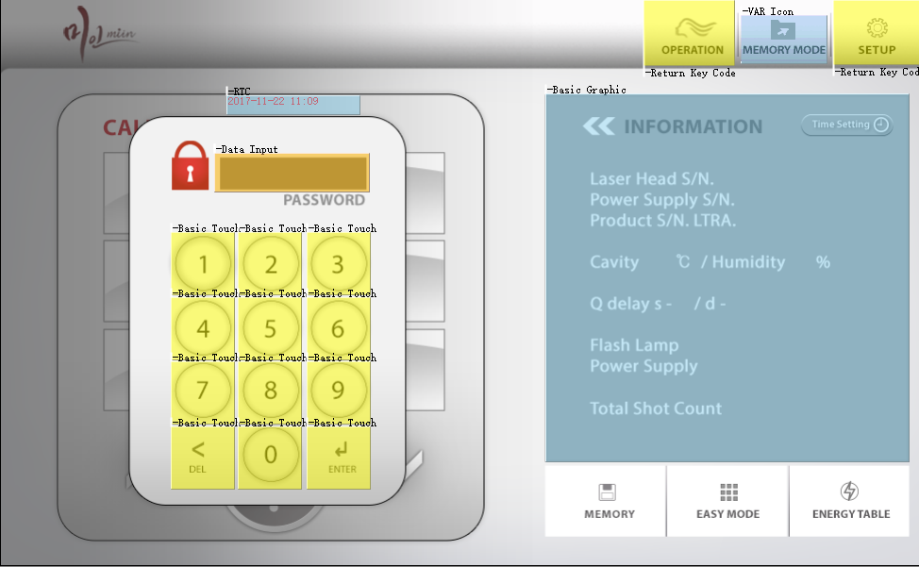

Password Response Key VP
VP code | 0x6400 | Key Cont | 0xCC | BASIC GRAPHIC VP |  | ICON Display VP | VP | data | ICON No. | Memo
 |  |  |  | Information | 0x2900 | Enter current password | 0x0240 | 5 | 79
 |  |  |  |  |  | Invalid password |  | 8
 |  |  |  |  |  | Laser Head S/N |  | 12
 |  |  |  |  |  | Power S/N |  | 13
 |  |  |  |  |  | Product S/N |  | 14
 |  |  |  |  |  | 1064S Q1 delay |  | 15
 |  |  |  |  |  | 1064D Q1 delay |  | 16
 |  |  |  |  |  | 1064D Q2 delay |  | 17

39_Engineer Table
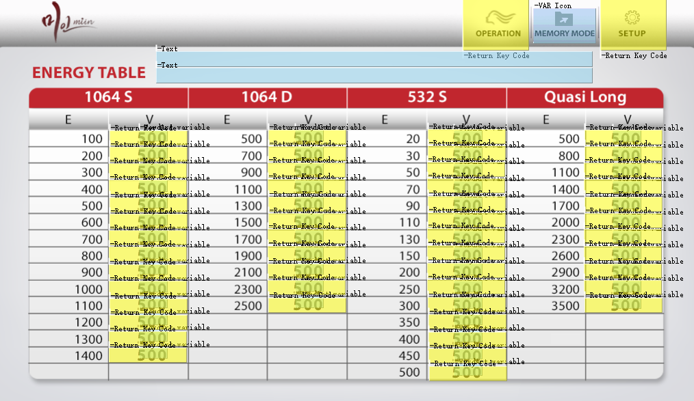
 |  |  |  |  |  | Energy table voltage change VP code : 0x7100
 |  |  |  |  |  | 1064S | 100 | 0x01 | 1064D | 500 | 0x10 | 532S | 20 | 0x20 | Quasi | 500 | 0x30 | Miin | 500 | 0x40
 |  |  |  |  |  |  | 200 | 0x02 |  | 700 | 0x11 |  | 30 | 0x21 |  | 800 | 0x31 |  | 700 | 0x41
 |  |  |  |  |  |  | 300 | 0x03 |  | 900 | 0x12 |  | 50 | 0x22 |  | 1100 | 0x32 |  | 900 | 0x42
 |  |  |  |  |  |  | 400 | 0x04 |  | 1100 | 0x13 |  | 70 | 0x23 |  | 1400 | 0x33 |  | 1100 | 0x43
 |  |  |  |  |  |  | 500 | 0x05 |  | 1300 | 0x14 |  | 90 | 0x24 |  | 1700 | 0x34 |  | 1300 | 0x44
 |  |  |  |  |  |  | 600 | 0x06 |  | 1500 | 0x15 |  | 110 | 0x25 |  | 2000 | 0x35 |  | 1500 | 0x45
 |  |  |  |  |  |  | 700 | 0x07 |  | 1700 | 0x16 |  | 130 | 0x26 |  | 2300 | 0x36 |  | 1700 | 0x46
 |  |  |  |  |  |  | 800 | 0x08 |  | 1900 | 0x17 |  | 150 | 0x27 |  | 2600 | 0x37 |  | 1900 | 0x47
 |  |  |  |  |  |  | 900 | 0x09 |  | 2100 | 0x18 |  | 200 | 0x28 |  | 2900 | 0x38 |  | 2100 | 0x48
 |  |  |  |  |  |  | 1000 | 0x0A |  | 2300 | 0x19 |  | 250 | 0x29 |  | 3200 | 0x39 |  | 2300 | 0x49
 |  |  |  |  |  |  | 1100 | 0x0B |  | 2500 | 0x1A |  | 300 | 0x2A |  | 3500 | 0x3A |  | 2500 | 0x4A
 |  |  |  |  |  |  | 1200 | 0x0C |  |  |  |  | 350 | 0x2B |  |  |  |  | 2700 | 0x4B
 |  |  |  |  |  |  | 1300 | 0x0D |  |  |  |  | 400 | 0x2C |  |  |  |  | 3000 | 0x4C
 |  |  |  |  |  |  | 1400 | 0x0E |  |  |  |  | 450 | 0x2D
 |  |  |  |  |  |  |  |  |  |  |  |  | 500 | 0x2E

 |  |  | WordArt VP
VP code | 0x4500 |  | 1064S | 100 | 0x3600 | 1064D | 500 | 0x3630 |  | 532 | 10 | 0x3660 |  | Quasi | 500 | 0x3690 |  | Miin | 500 | 0x3720
 |  |  |  | 200 | 0x3602 |  | 700 | 0x3632 |  |  | 30 | 0x3662 |  |  | 800 | 0x3692 |  |  | 700 | 0x3722
 |  | Key value |  | 300 | 0x3604 |  | 900 | 0x3634 |  |  | 50 | 0x3664 |  |  | 1100 | 0x3694 |  |  | 900 | 0x3724
(Button) | OPERATION | 0x0007 |  | 400 | 0x3606 |  | 1100 | 0x3636 |  |  | 70 | 0x3666 |  |  | 1400 | 0x3696 |  |  | 1100 | 0x3726
(Button) | SETUP | 0x0009 |  | 500 | 0x3608 |  | 1300 | 0x3638 |  |  | 90 | 0x3668 |  |  | 1700 | 0x3698 |  |  | 1300 | 0x3728
 |  |  |  | 600 | 0x3610 |  | 1500 | 0x3640 |  |  | 110 | 0x3670 |  |  | 2000 | 0x3700 |  |  | 1500 | 0x3730
 |  |  |  | 700 | 0x3612 |  | 1700 | 0x3642 |  |  | 130 | 0x3672 |  |  | 2300 | 0x3702 |  |  | 1700 | 0x3732
Text display VP |  |  |  | 800 | 0x3614 |  | 1900 | 0x3644 |  |  | 150 | 0x3674 |  |  | 2600 | 0x3704 |  |  | 1900 | 0x3734
Power Control Ver info |  | 0x0400 |  | 900 | 0x3616 |  | 2100 | 0x3646 |  |  | 200 | 0x3676 |  |  | 2900 | 0x3706 |  |  | 2100 | 0x3736
GUI Control Ver info |  | 0x0450 |  | 1000 | 0x3618 |  | 2300 | 0x3648 |  |  | 250 | 0x3678 |  |  | 3200 | 0x3708 |  |  | 2300 | 0x3738
 |  |  |  | 1100 | 0x3620 |  | 2500 | 0x3650 |  |  | 300 | 0x3680 |  |  | 3500 | 0x3710 |  |  | 2500 | 0x3740
 |  |  |  | 1200 | 0x3622 |  |  |  |  |  | 350 | 0x3682 |  |  |  |  |  |  | 2700 | 0x3742
 |  |  |  | 1300 | 0x3624 |  |  |  |  |  | 400 | 0x3684 |  |  |  |  |  |  | 3000 | 0x3744
 |  |  |  | 1400 | 0x3626 |  |  |  |  |  | 450 | 0x3686
 |  |  |  |  |  |  |  |  |  |  | 500 | 0x3688

63_Emergency_warning
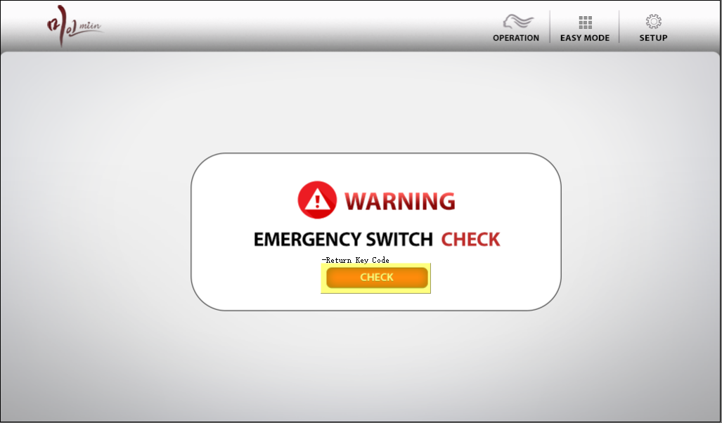

VP Code | 0x4400

(Button) | CHECK | 0x01

43_ltra_GUI_energy_table
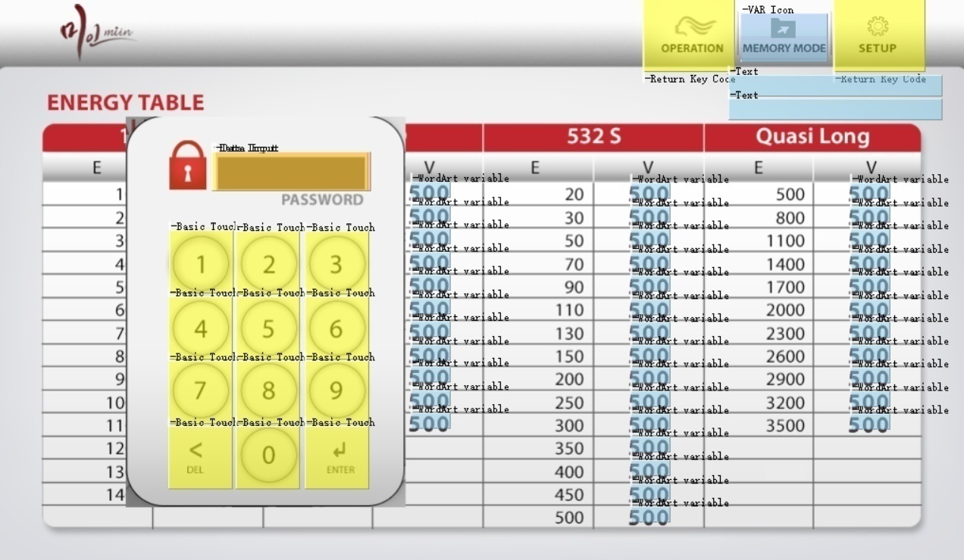

 |  |  |  |  |  |  | Data input VP |  | 0x6500

 |  |  |  |  |  |  | Data input Key CTRL |  | 0xEE

 |  |  | WordArt VP
VP code | 0x4500 |  | 1064S | 100 | 0x3600 | 1064D | 500 | 0x3630 |  | 532 | 20 | 0x3660 | Quasi | 500 | 0x3690 | Miin | 500 | 0x3720
 |  |  |  | 200 | 0x3602 |  | 700 | 0x3632 |  |  | 30 | 0x3662 |  | 800 | 0x3692 |  | 700 | 0x3722
 |  | Key value |  | 300 | 0x3604 |  | 900 | 0x3634 |  |  | 40 | 0x3664 |  | 1100 | 0x3694 |  | 900 | 0x3724
(Button) | OPERATION | 0x0007 |  | 400 | 0x3606 |  | 1100 | 0x3636 |  |  | 50 | 0x3666 |  | 1400 | 0x3696 |  | 1100 | 0x3726
(Button) | SETUP | 0x0009 |  | 500 | 0x3608 |  | 1300 | 0x3638 |  |  | 60 | 0x3668 |  | 1700 | 0x3698 |  | 1300 | 0x3728
 |  |  |  | 600 | 0x3610 |  | 1500 | 0x3640 |  |  | 70 | 0x3670 |  | 2000 | 0x3700 |  | 1500 | 0x3730
 |  |  |  | 700 | 0x3612 |  | 1700 | 0x3642 |  |  | 80 | 0x3672 |  | 2300 | 0x3702 |  | 1700 | 0x3732
Text display VP |  |  |  | 800 | 0x3614 |  | 1900 | 0x3644 |  |  | 90 | 0x3674 |  | 2600 | 0x3704 |  | 1900 | 0x3734
Power Control Ver info |  | 0x0400 |  | 900 | 0x3616 |  | 2100 | 0x3646 |  |  | 100 | 0x3676 |  | 2900 | 0x3706 |  | 2100 | 0x3736
GUI Control Ver info |  | 0x0450 |  | 1000 | 0x3618 |  | 2300 | 0x3648 |  |  | 120 | 0x3678 |  | 3200 | 0x3708 |  | 2300 | 0x3738
 |  |  |  | 1100 | 0x3620 |  | 2500 | 0x3650 |  |  | 150 | 0x3680 |  | 3500 | 0x3710 |  | 2500 | 0x3740
 |  |  |  | 1200 | 0x3622 |  |  |  |  |  | 200 | 0x3682 |  |  |  |  | 2700 | 0x3742
 |  |  |  | 1300 | 0x3624 |  |  |  |  |  | 300 | 0x3684 |  |  |  |  | 3000 | 0x3744
 |  |  |  | 1400 | 0x3626 |  |  |  |  |  | 400 | 0x3686
 |  |  |  |  |  |  |  |  |  |  | 500 | 0x3688

